Motivation
Background

 | In the analysis of a large and complex dataset on severity ratings extracted from hundreds of humanitarian assessment reports, an unusual challenge arose. The ordinal severity ratings had been transformed in response to rated source reliability and age (time between publication date and end of latest addition to database). Within groups of records ("clusters") defined by identical source code, publication date and sector, variable numbers of ratings were found, each assigned to different demographic and affected groups and to particular aspects of the humanitarian conditions.

 | This created considerable redundancy. The means of the transformed ratings, while eliminating the redundancy, were found to underrate the true severity, as known from the analysts' personal knowledge of the evolving situations.

 | Therefore, in a deliberate bid to bias results toward more severity provinces and sectors, the maximum value of the transformed ratings within each cluster was taken to go into the subsequent analysis steps - a relatively small fraction of the 32,000+ records in the dataset.

 | The analysis was being done in Stata. The corresponding subsample was generated at great speed, necessitating only two command lines - a sorting command that ensured that in each cluster the maximum value would appear in the first record, and a tagging command that marked each such record.

 | However, the analysis had to be made reproducible in Excel. The Excel vocabulary does not refer to tags and tagging in the above sense. The need for tagging variables is likely to arise in many situations that confront Excel users. Excel does have features that permit generating such variables, if with slightly more effort than Stata's. This workbook demonstrates how - in step by step buildup from the elementary workhorse formula for tagging to creating and using them in more complex situations.

Definition
 | The Help text for the Stata command egen [name of tagging variable to be generated] = tag([one or a list of variables to be tagged]) says that the new variable "tags just one observation in each distinct group defined by varlist. The result will be 1 if the observation is tagged and not missing [in any variable of varlist], and 0 otherwise. Values for any observations excluded by an if-clause are set to 0 (not to missing). " | 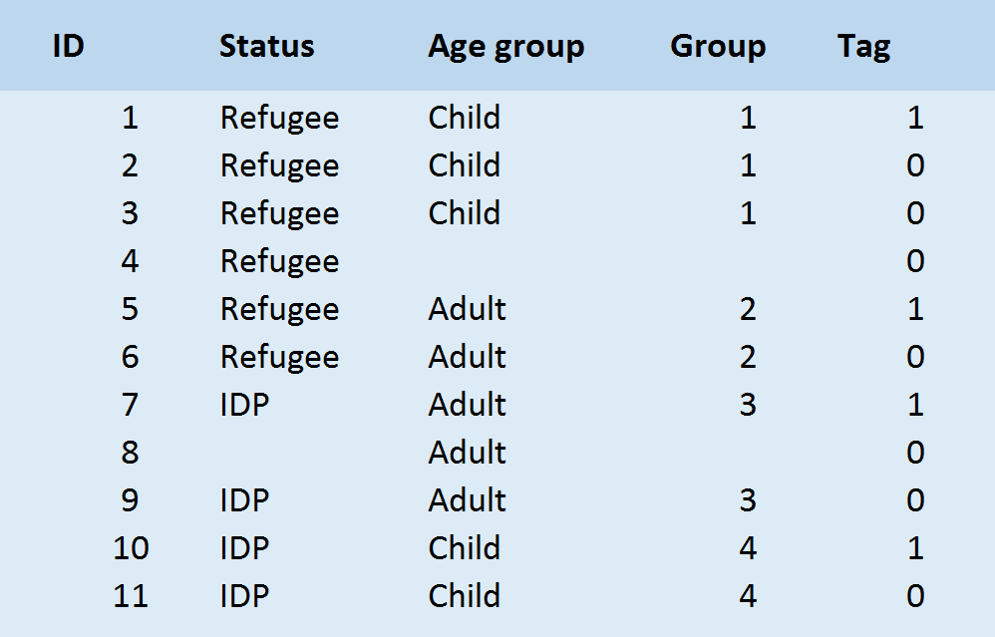
 | It is important to distinguish group and tag, as shown in the small table to the right.

Uses

 | Stata's Help sees the major use of tags in allowing the analyst to use "when all observations in a group have the same value for a summary variable calculated for the group, .. just one value for many purposes" - just the tag. More generically, one could say that the tagging variable makes subsamples of one instance from each group available for the current and all future analyses. It is no longer necessary to reconstruct the same subsample from multiple IF-conditions each time.

 | For Excel users, there are more benefits. Tags, in conjunction with another ambidextrous workhorse, the function SUMPRODUCT, enable complex variable calculations that otherwise might necessitate the generation of one or several Pivot tables and VLOOKUP operations. Several other functions may be needed, depending on purpose and data situation; these are shown in the examples as we go. The list is not complete.

Required skills

 | The basic formula for the simplest cases
 | =IF(COUNTIF(R2C[-1]:RC[-1],RC[-1])=1,1,0)
 | where it is assumed that the one variable for which to create tags is to the immediate left of the tagging variable (red code elements) and the R2 is the first row holding data immediately below the header row (green),
 | requires an understanding of mixed and relative cell references, and not much more.

 | The subsequently introduced increasingly complex situations call for
 | the functions CONCATENATE, COUNTA, SUM, SUMPRODUCT, and AND,
 | the creation and proper use of named ranges (each referring to one data column, all of equal length)
 | the use of Excel's double dash to convert an array of (TRUE, FALSE, etc.) logical statement into a numeric (1, 0, etc.) array, as for example in
 | (--(District = RC[-4]))
 | assuming that District is the named data range in the District column, and that for this operation all observations have to be selected for which the District is the one named in the cell in this current row, four columns to the left.
 | the entry and use of array functions, which return to the selected cell a value in response to one or several named ranges and to one or several scalar (one-cell) inputs.

Caveats

 | Tagging is particularly helpful in large databases. However, the tagging formulas, which are copied down in the column to the last row of the data, increase the file size and slow down execution. Unless the input values of the tags are likely to change (e.g., through record deletions or additions), the tagging formulas should be replaced by their values.

 | Tags mark the first occurrence of each group (a particular combination of values from the list of variables for which the tags are created). They thus are dependent on the sort order of those variables. As long as the formulas are not replaced by their values, any re-sorting of the data table by other criteria will cause the tags to change records, jumping up to the new first occurrences. Generally, this is innocuous. However, when substantively interesting tagging variables are added, sometimes the nested structure gets disturbed. For example, suppose you have tags for district, commune, household. If you add a tag for the household that has the lowest income in its commune, and another for the one with the highest household debt, these household level tags will not match. However, if they are combined in a numeric index, or in a logical expression such as "has lowest income OR has highest debt", hierarchical groups and tags can be re-establieshed. Alternatively, one can elevate one of the interesting variables to a context variable, say, by creating a communel-level variable for the mean of the household debts. Such situations are rare, but failing to notice that the tagging variables are no longer well ordered sometimes is the cause of stubborn analysis blockages.

